listing
1) ENGLISH ITEM NAME (ex : OOOO machine) | 2)中文名称 | 3) MANUFACTUROR (ex : OOO company) | 4) MODEL NO (ex : abc-123) | 5)Serial number | 6)CN hs code | 7)VN hs code | 8)Material | 9) VOLTAGE (ex : 220V) | 10) CAPACITY (ex :1200KW) | 11) Manufacture date (yyyy-mm-dd) | 12) ORIGIN | 13) NEW or USED | 14) PICTURE (BEFORE PACKING) | 15) PICTURE (NAME PLATE or label) | 16)Quantity | 17)cost(RMB 13%VAT) | 18)cost(USD) | 19)Total cost(USD) | 20)CARTON NO. | 21)CTN QTY | 22)G.W(KGS) | 23)N.W(KGS) | 24)Package Size(CM) | 25)Part size(CM) | 26)应用范围 | 27)是否带电源
GA-FC MAIN wave soldering Fixture | GA-FC主板过炉夹具 | Dongguan Changan Xingyao Automation Processing Shop | GA-FC | GAFCMF01A |  |  | 玻纤板 | / | / | 2024-05-20 | CHINA | NEW | 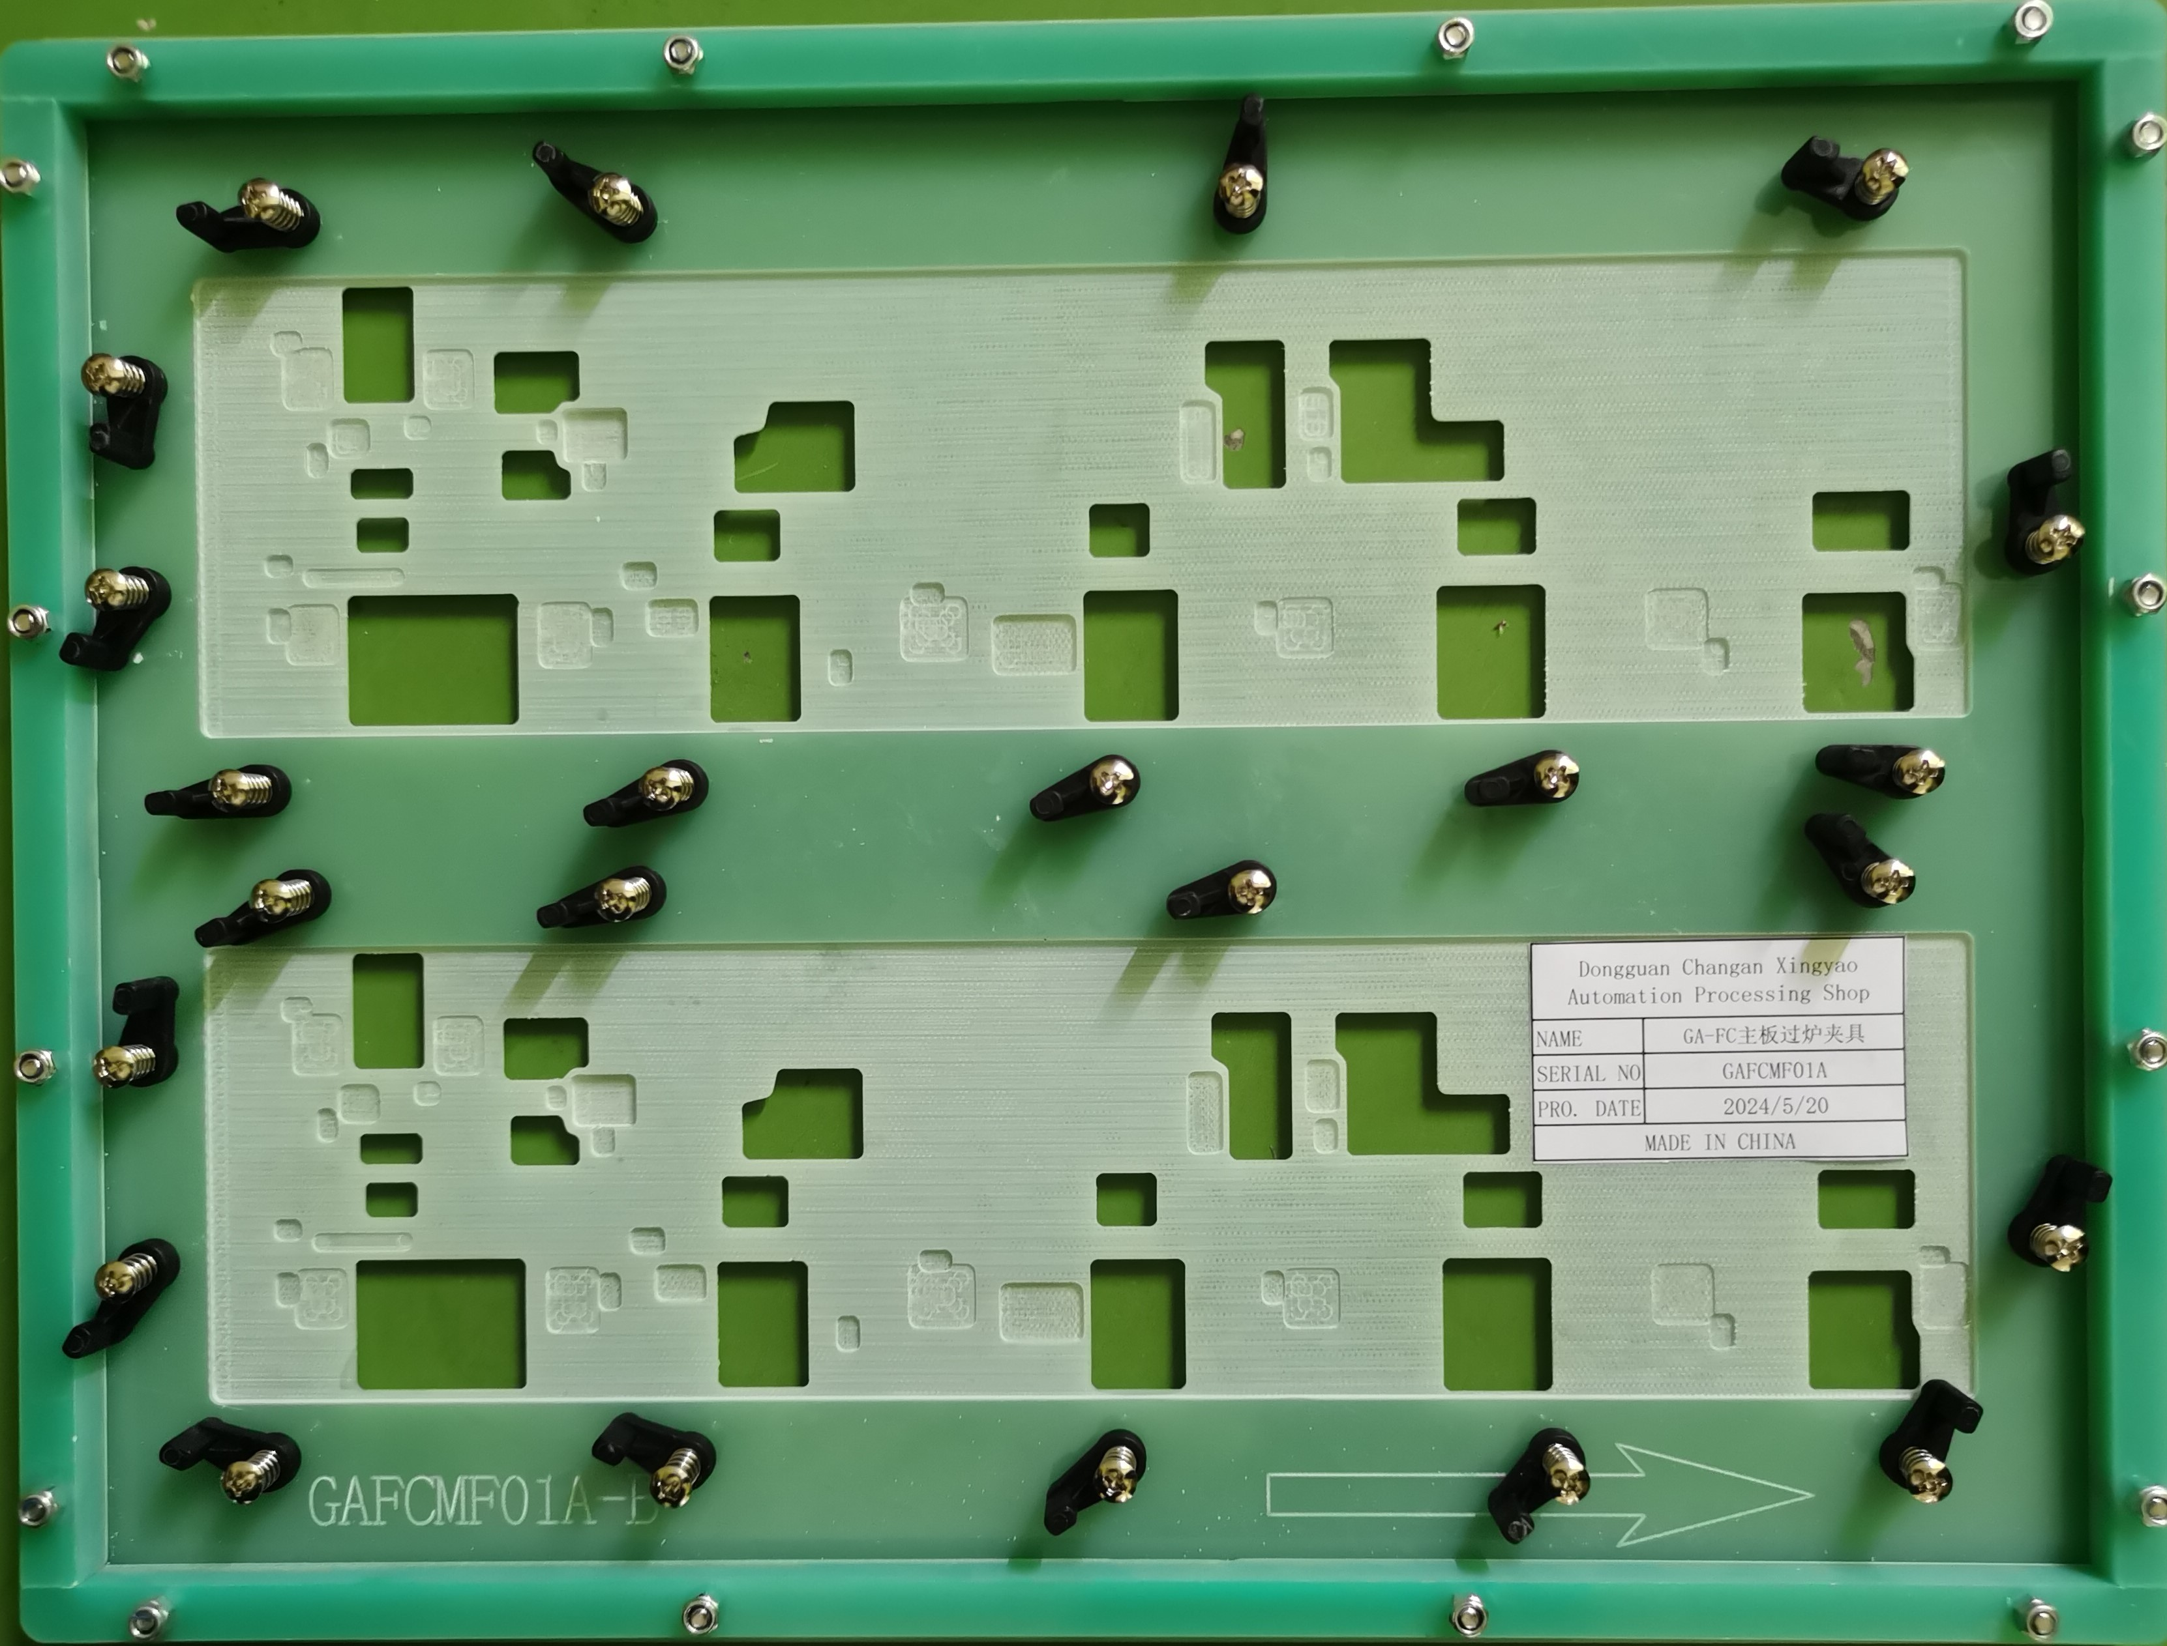 | 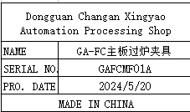 | 2 | 372 |  |  | D1 | 1 | 19 | 2.6 | 40X32X32 | 39x30x2 | Used for wave soldering furnace | NO
DROP TRIVIA MAIN wave soldering Fixture | DROP TRIVIA 主板过炉夹具 | Dongguan Changan Xingyao Automation Processing Shop | DROP TRIVIA | DROPTRMF01H |  |  | 玻纤板 | / | / | 2024-05-20 | CHINA | NEW | 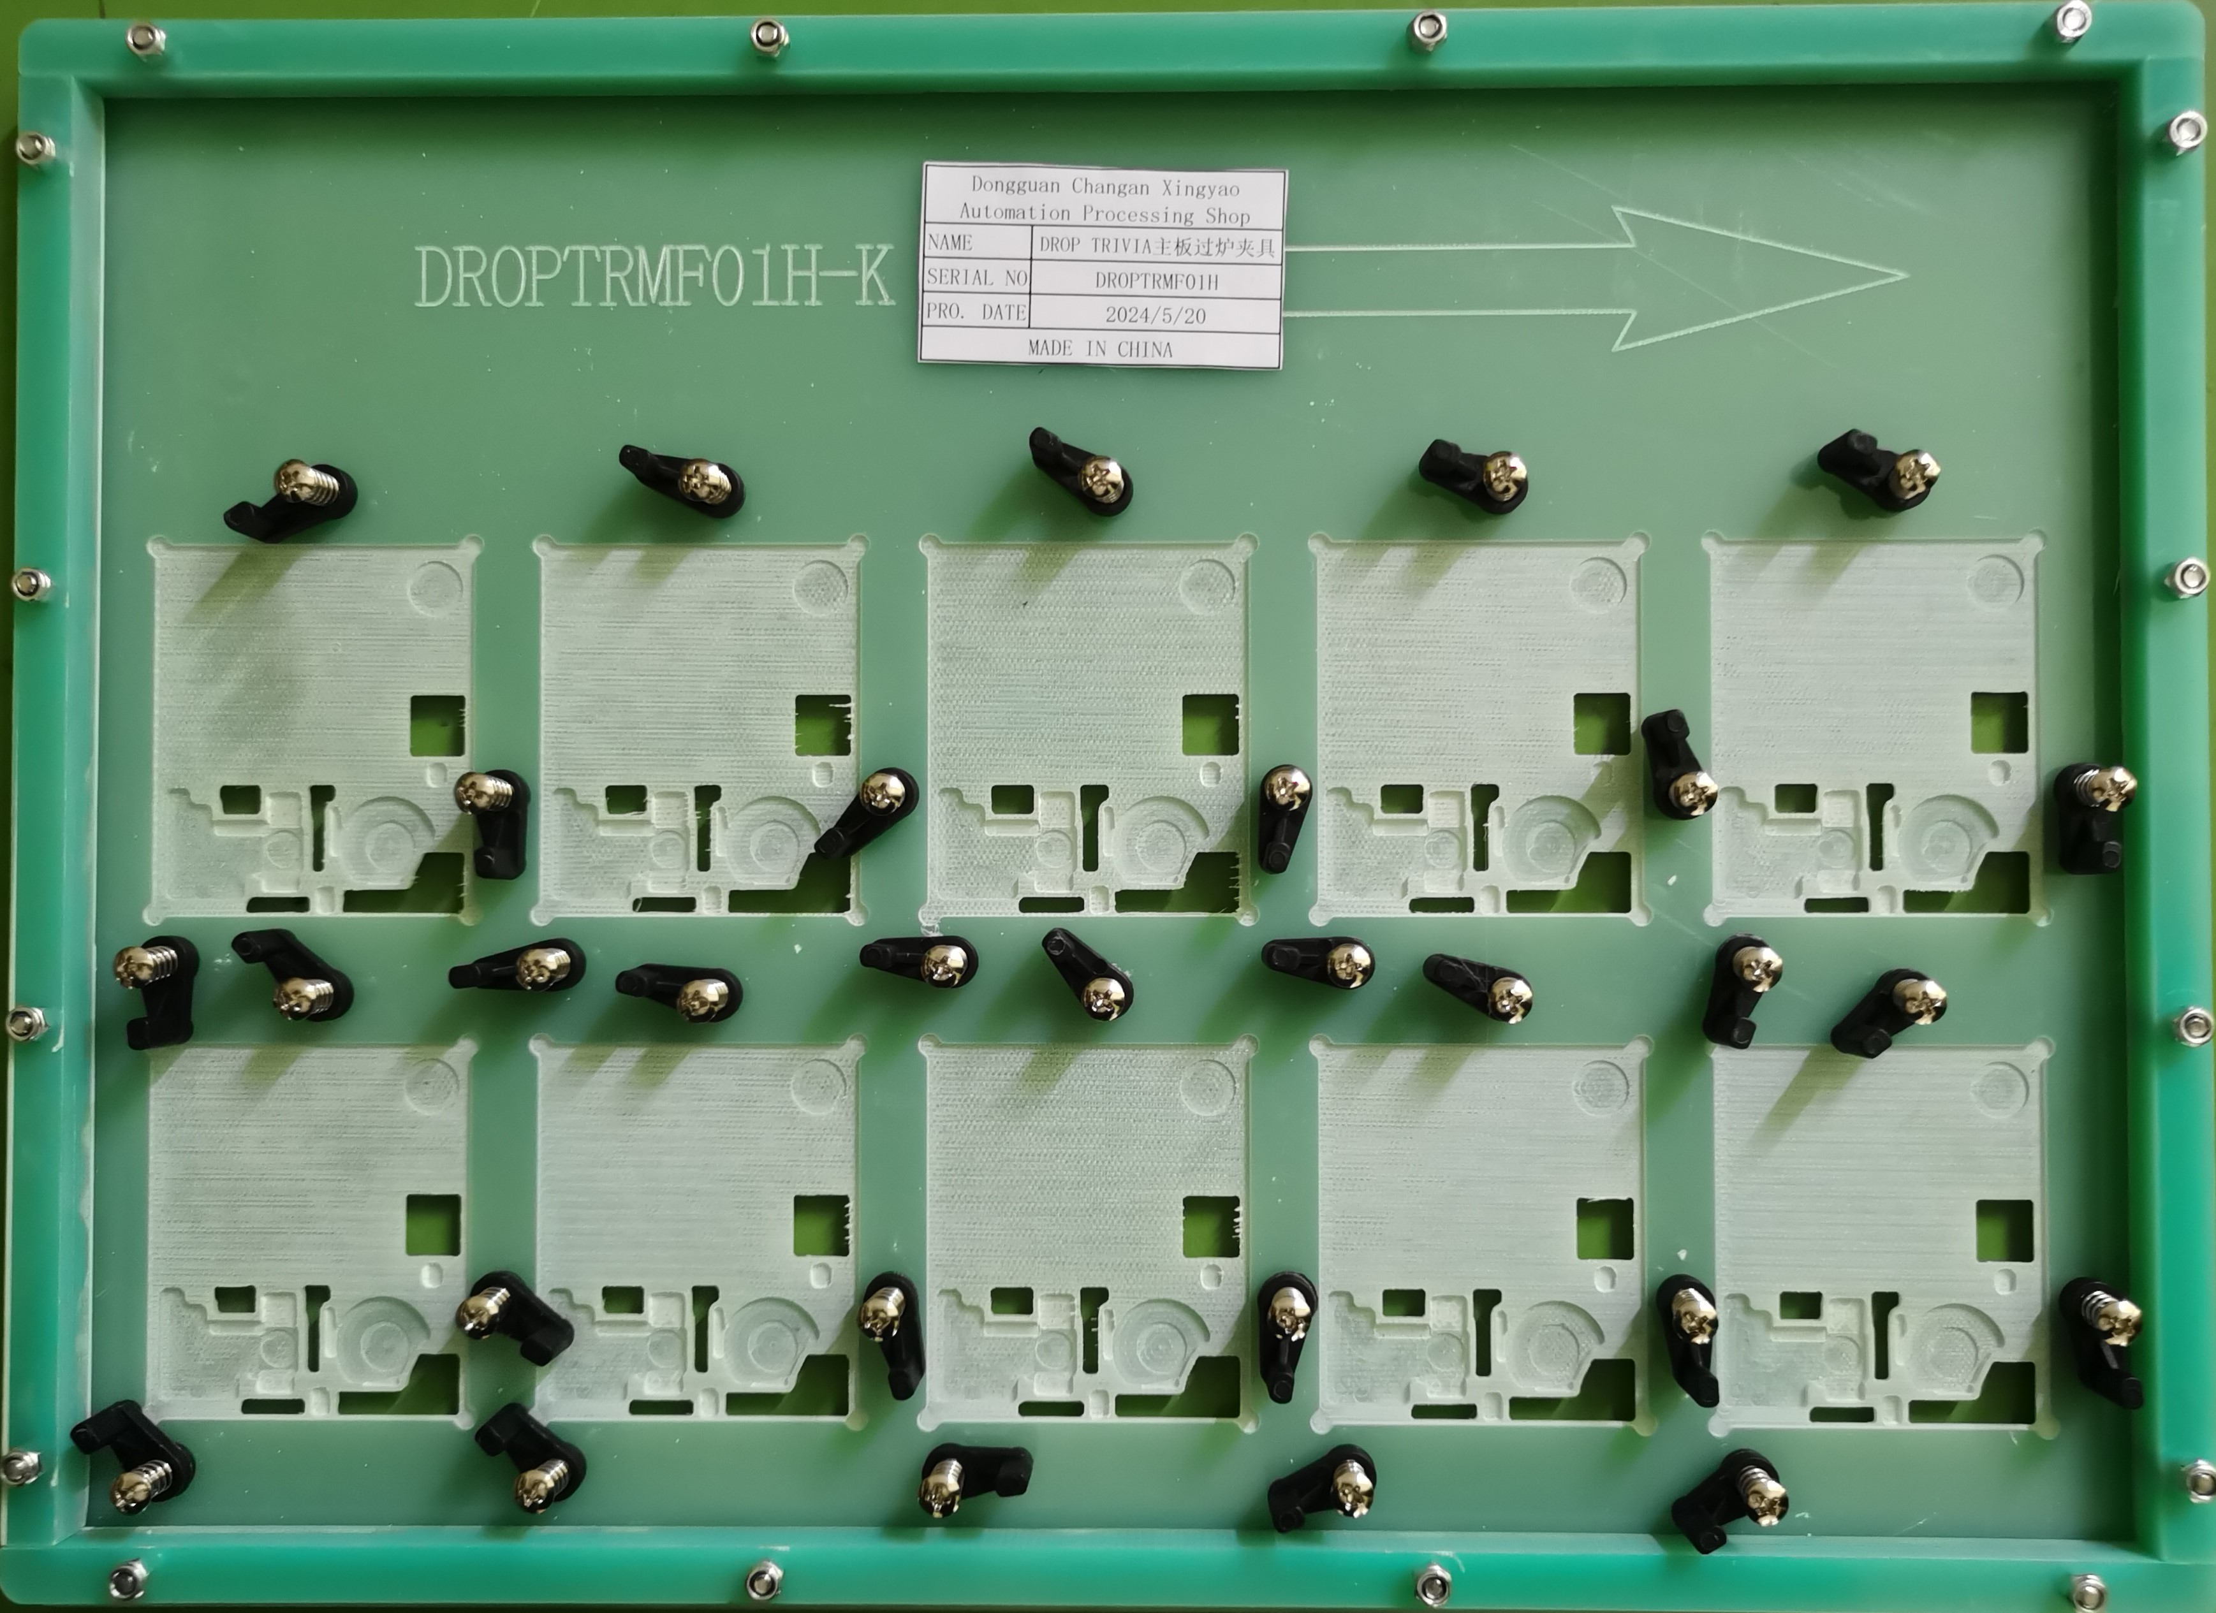 | 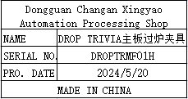 | 4 | 372 |  |  |  |  |  | 5.6 |  | 40x30x2 | Used for wave soldering furnace | NO
GT-1 MAIN wave soldering Fixture | GT-1主板过炉夹具 | Dongguan Changan Xingyao Automation Processing Shop | GT-1 | GT1MF01A |  |  | 玻纤板 | / | / | 2024-05-20 | CHINA | NEW | 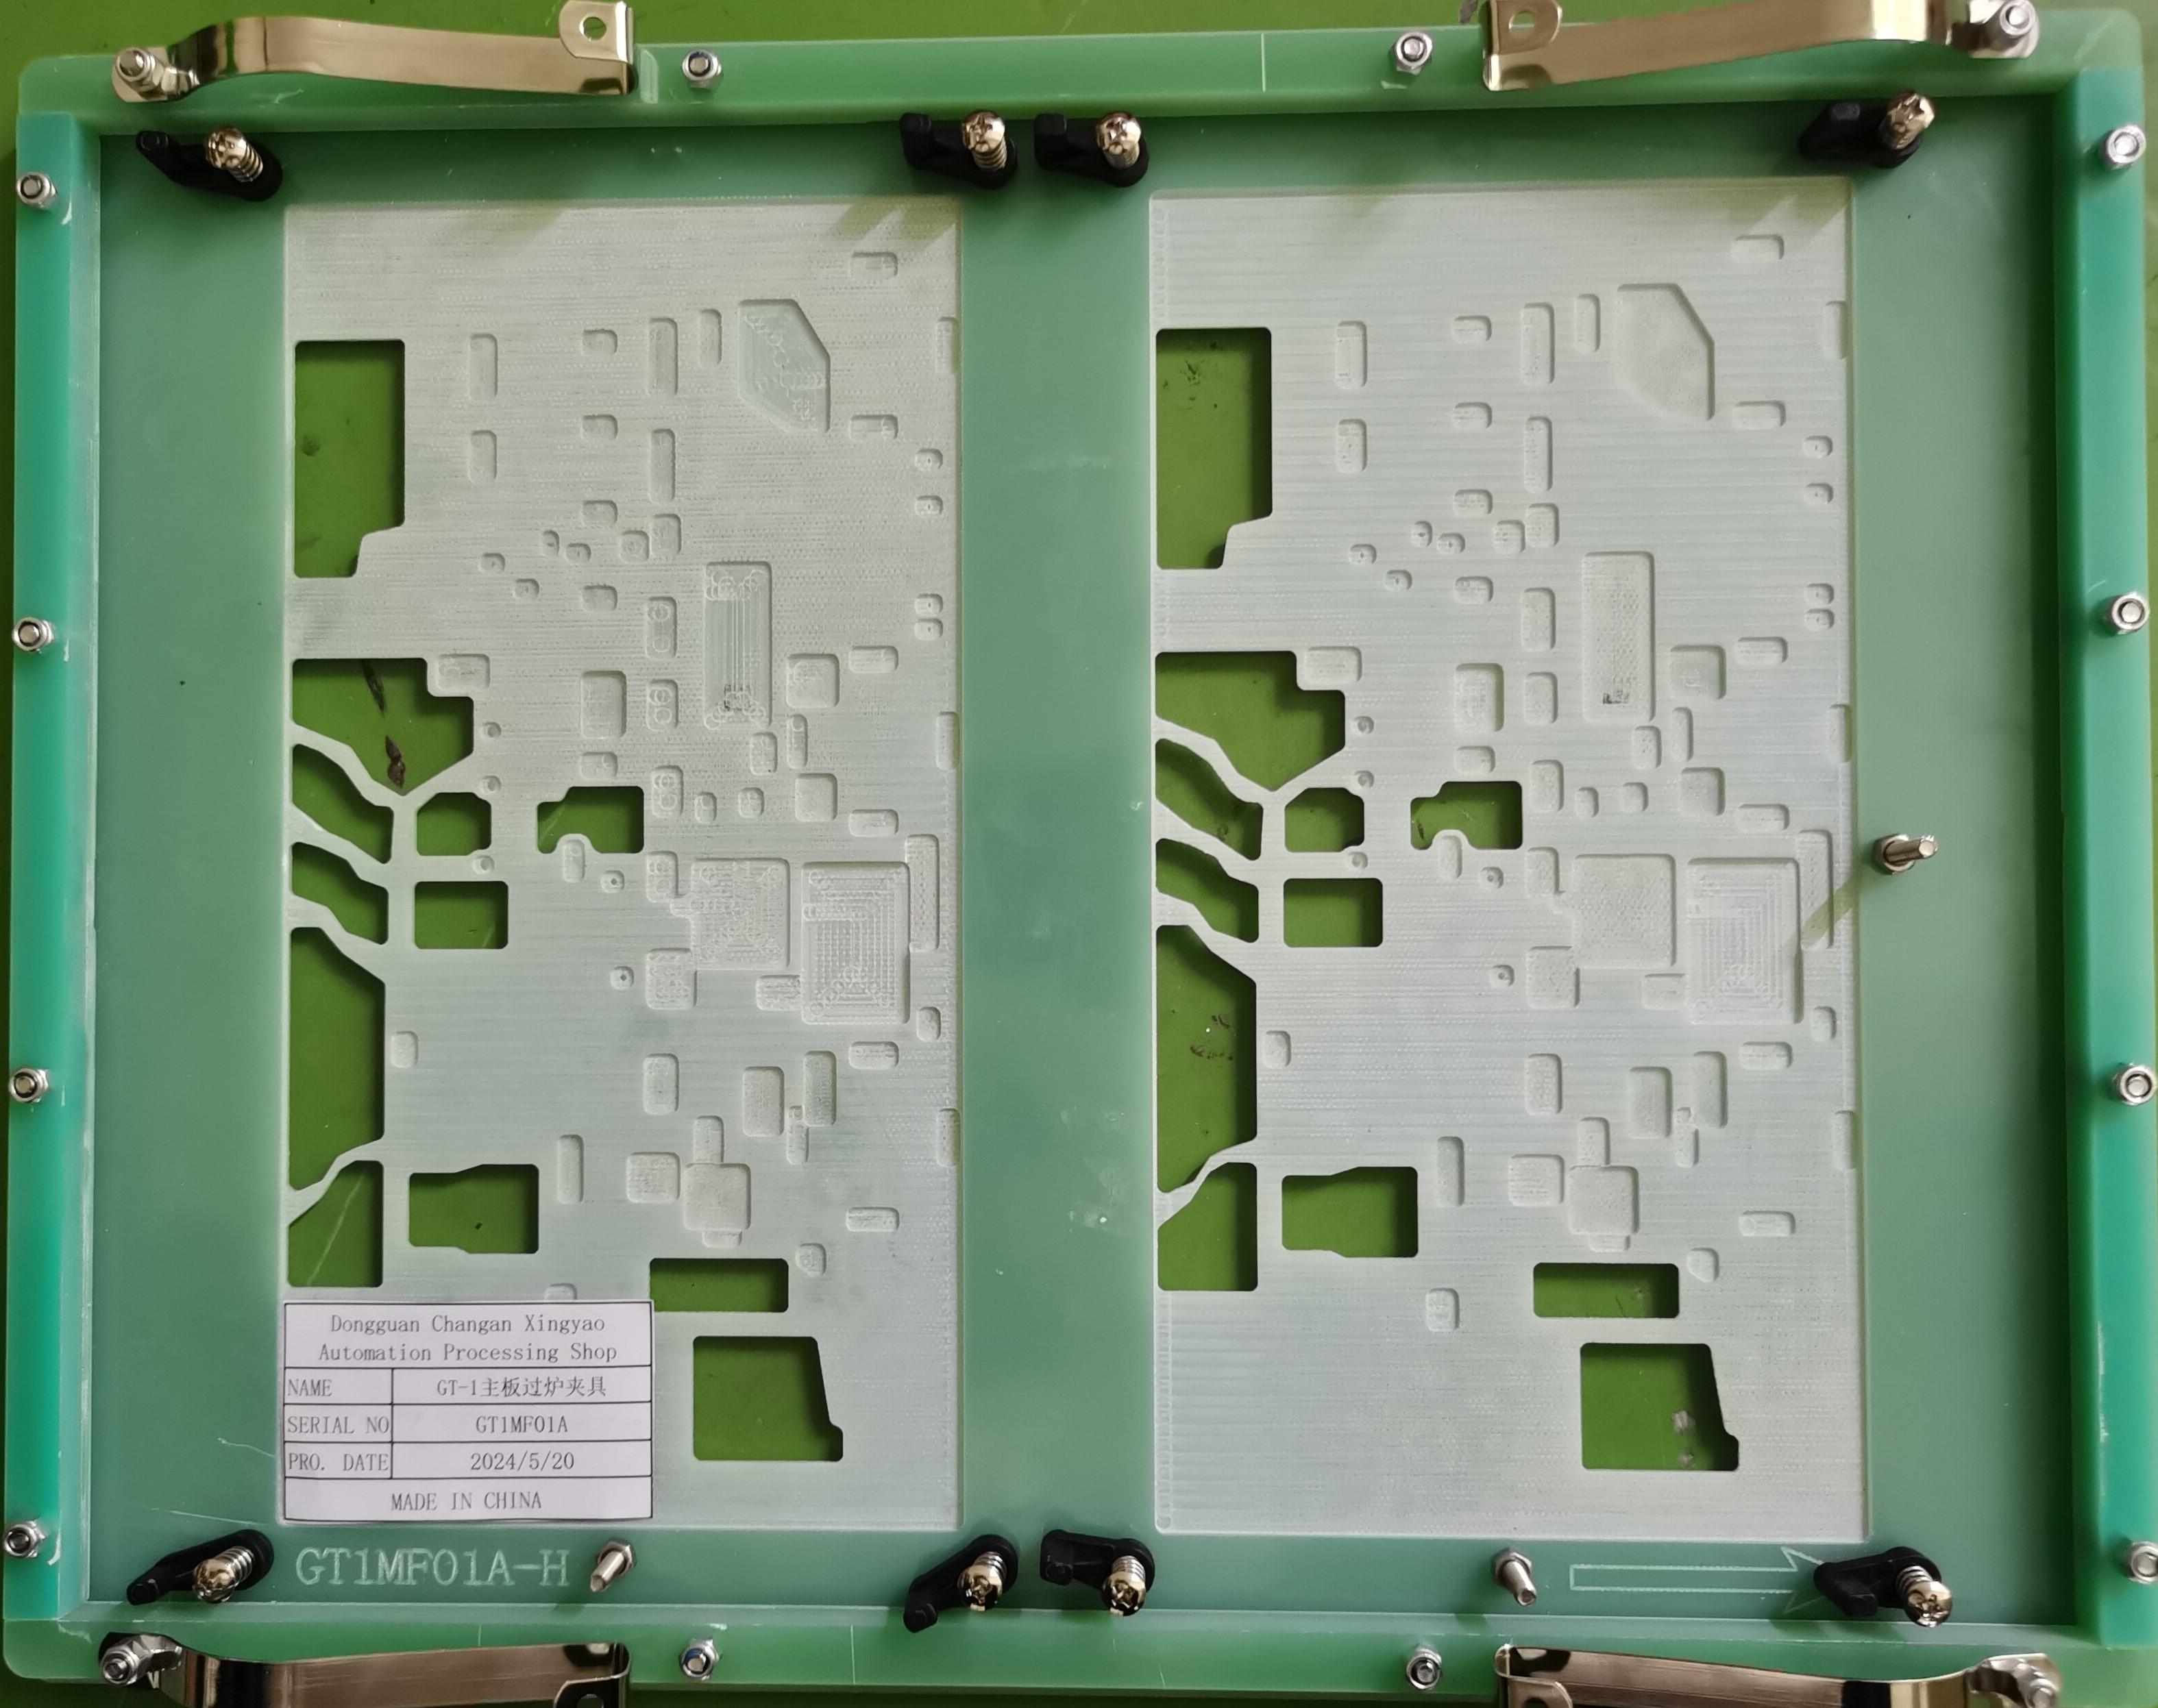 | 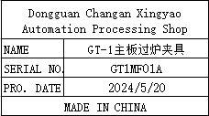 | 8 | 372 |  |  |  |  |  | 10 |  | 38x30x3 | Used for wave soldering furnace | NO

